Decision tree_all sample_0608
 |  |  |  |  |  |  |  |  |  |  |  |  |  |  | Averaged number
 |  | Probability |  | Cost |  |  |  | Sensor | Type of Utilization | Cost of utilization per day | Average num of utilization per year | Average los of utilization | Total cost of utilization | calculation | device_type | variable | n | mean | sd
Digital device | No exacerbation | 92.8% |  | $31,334.85 |  |  |  | iGlucose | Acute/OBS | $5,000 | 1.546 | 2.800 | $21,644.00 | Cost of utilization of exac. for each endpoint = cost of utilization in the facility per day * avg num of exac. * avg LOS of each exac. | <fctr> | <fctr> | <dbl> | <dbl> | <dbl>
 |  |  | Type of utiization |  | Probability |  |  |  | SNF | $1,000 | 0.000 | 0.000 | $- |  | glucometer | During_Acute_Obs | 6 | 1.546 | 1.09
 | Pulmonary-related Exacerbation | 7.2% | Acute/OBS | $52,978.85 | 9.5% |  |  |  | ER | $1,800 | 1.116 | n/a | $2,008.80 |  | glucometer | During_ER VISIT | 59 | 1.116 | 1.12
 |  |  | SNF | $31,334.85 | 0.0% |  |  | Std care | Acute/OBS | $5,000 | 2.502 | 3.455 | $43,222.05 |  | std care | During_Acute_Obs | 22 | 2.502 | 2.309
 |  |  | ER | $33,343.65 | 90.5% |  |  |  | SNF | $1,000 | 1.868 | 16.375 | $30,588.50 |  | std care | During_SKILLED NURSING | 8 | 1.868 | 1.254
 |  | Probability |  | Cost |  |  |  |  | ER | $1,800 | 2.724 | n/a | $4,903.20 |  | std care | During_ER VISIT | 148 | 2.724 | 3.059
Std care | No exacerbation | 91.8% |  | $60,890.70
 |  |  | Type of utiization |  | Probability
 | Pulmonary-related Exacerbation | 8.2% | Acute/OBS | $104,112.75 | 10.5%
 |  |  | SNF | $91,479.20 | 4.9%
 |  |  | ER | $65,793.90 | 84.6% |  |  |  |  |  |  |  |  |  | Average LOS
 |  |  |  |  |  |  |  |  |  |  |  |  |  |  | device_type | variable | n | mean | sd
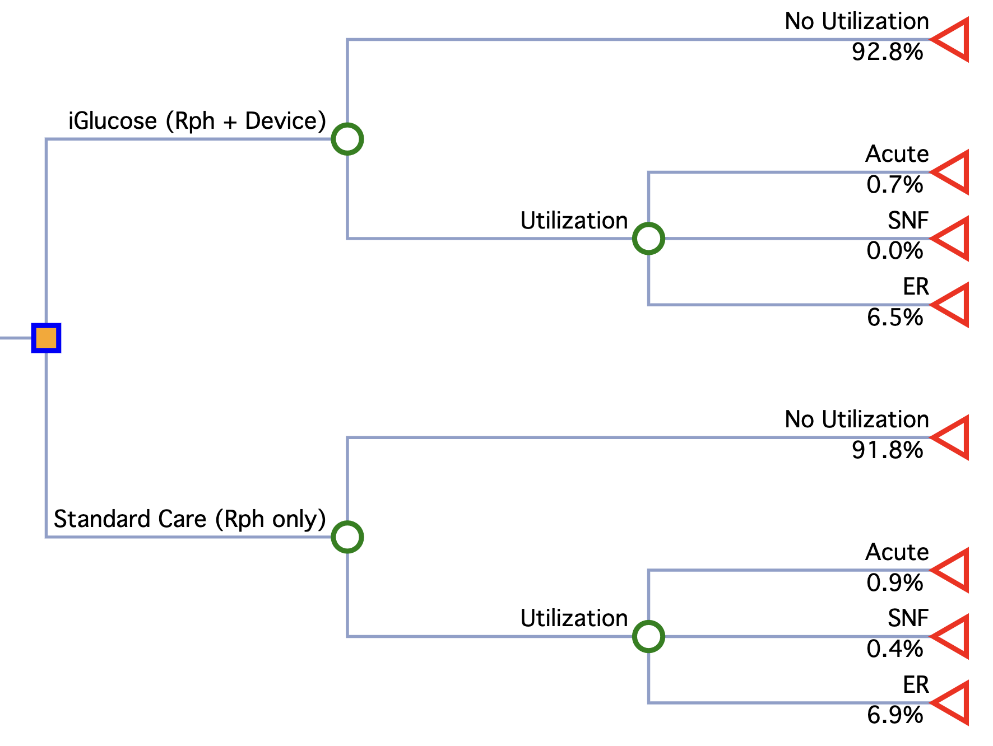
 |  |  |  |  |  |  |  |  |  |  |  |  |  |  | <fctr> | <fctr> | <dbl> | <dbl> | <dbl>
 |  |  |  |  |  |  |  |  |  |  |  |  |  |  | glucometer | During_Acute_Obs | 5 | 2.8 | 1.924
 |  |  |  |  |  |  |  |  |  |  |  |  |  |  | std care | During_Acute_Obs | 22 | 3.455 | 3.348
 |  |  |  |  |  |  | NoExacer |  |  |  |  |  |  |  | std care | During_SKILLED NURSING | 8 | 16.375 | 15.445
 |  |  |  |  |  |  | $31,334.85 |  |  |  |  | $31,613.79
 |  |  |  |  |  |  | 92.8% |  |  | 92.8% | $29,078.74
 |  |  |  |  |  | iGlucose |  | Acute
 |  |  |  |  |  | $31,613.79 | Exacer | $52,978.85 | 9.5% | 0.68% | $362.38
 |  |  |  |  |  |  | $35,208.99 | SNF
 |  |  |  |  |  |  | 7.2% | $31,334.85 | 0.0% | 0.00% | $-
 |  |  |  |  |  |  |  | ER
 |  |  |  |  |  |  |  | $33,343.65 | 90.5% | 6.52% | $2,172.67

 |  |  |  |  |  |  | NoExacer
 |  |  |  |  |  |  | $60,890.70 |  |  |  |  | $61,725.89
 |  |  |  |  |  | Std care (no sensor) | 91.8% |  |  | 91.8% | $55,897.66
 |  |  |  |  |  | $61,725.89 |  | Acute |  |  |  |  |  |  | Multinominal model (probability after adjusting for age, gender, condition count, and time duration) Model: exac ~ age + gender + `condition count` + time_duration_during
 |  |  |  |  |  |  | Exacer | $104,112.75 | 10.5% | 0.86% | $896.41
 |  |  |  |  |  |  | $71,075.96 | SNF |  |  |  |  |  |  | iGlucose (n=1861) | Exac_YN |  | Acute/Obs
 |  |  |  |  |  |  | 8.2% | $91,479.20 | 4.9% | 0.40% | $367.56 |  |  |  |  | Min. :0.01104 |  | Min. :0.5365
 |  |  |  |  |  |  |  | ER |  |  |  |  |  |  |  | 1st Qu.:0.02962 |  | 1st Qu.:0.8575
 |  |  |  |  |  |  |  | $65,793.90 | 84.6% | 6.94% | $4,564.25 |  |  |  |  | Median :0.04866 |  | Median :0.9487
 |  |  |  |  |  |  |  |  |  |  |  |  |  |  |  | Mean :0.06332 |  | Mean :0.9048
 |  |  |  |  |  |  |  |  |  |  |  |  |  |  |  | 3rd Qu.:0.07965 |  | 3rd Qu.:0.9747
 |  |  |  |  |  |  |  |  |  |  |  |  |  |  |  | Max. :0.41951 |  | Max. :0.9945
 |  |  |  |  |  | cost | -$30,112.10
 |  |  |  |  |  | effectiveness (probability of no exacer) | 1.0% | 1.0% more like to have NO utilization |  |  |  |  |  |  | Std care (n=4545) | Exac_YN |  | Acute/Obs |  | SNF | ER
 |  |  |  |  |  |  |  |  |  |  |  |  |  |  |  | Min. :0.009168 |  | Min. :0.05170 Min. :0.01020 Min. :0.7481
 |  |  |  |  |  |  |  |  |  |  |  |  |  |  |  | 1st Qu.:0.041178 |  | 1st Qu.:0.07834 1st Qu.:0.02746 1st Qu.:0.8290
 |  |  |  |  |  |  |  |  |  |  |  |  |  |  |  | Median :0.062606 |  | Median :0.10142 Median :0.04147 Median :0.8473
 |  |  |  |  |  |  |  |  |  |  |  |  |  |  |  | Mean :0.081777 |  | Mean :0.10498 Mean :0.04943 Mean :0.8456
 |  |  |  |  |  |  |  |  |  |  |  |  |  |  |  | 3rd Qu.:0.102294 |  | 3rd Qu.:0.12311 3rd Qu.:0.06312 3rd Qu.:0.8650
 |  |  |  |  |  |  |  |  |  |  |  |  |  |  |  | Max. :0.547220 |  | Max. :0.23879 Max. :0.13188 Max. :0.8985

Demo
Demo
 | iGlucose (Device + Rph) (n=879) | Standard Care (Rph only) (n=1981) | p-value
Age | 61.9 | 65.6 | <.001
Gender
Female | 384 (43.7%) | 852 (43.0%) | 0.735
Male | 495 (56.3%) | 1129 (57.0%)
Race/Ethnicity
White | 339 (38.6%) | 821 (41.4%) | 0.0502
African American | 24 (2.7%) | 34 (1.7%)
Asian | 17 (1.9%) | 35 (1.8%)
Hispanic | 107 (12.2%) | 298 (15.0%)
Other | 15 (1.7%) | 32 (1.6%)
Unkown/Unreported | 377 (42.9%) | 761 (38.4%)
Condition Count | 10.2 | 10.6 | 0.057
Last a1c | 7.94 | 7.88 | 0.411
Time Duration | 385 | 256.6 | <.001
Difference in num of utilization before and during clinic |  |  |  | last a1c
No changed - Zero | 756 (86.0%) | 1661 (83.8%) | 0.29 | 7.88 | P =0.037
No change | 13 (1.5%) | 22 (1.1%) |  | 8.28
Increased utilization | 50 (5.7%) | 134 (6.8%) |  | 8.21
Decreased utilization | 60 (6.8%) | 164 (8.3%) |  | 7.79

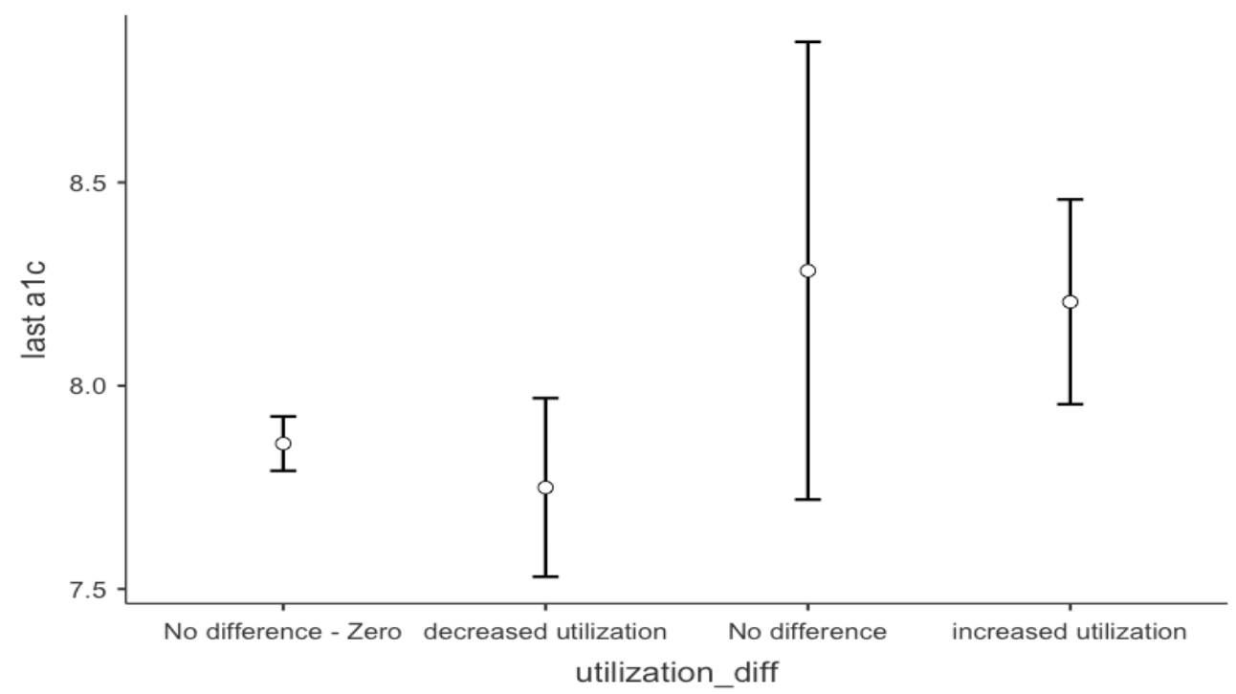

 | iGlucose | std care
starting sample | 2379 | 134073 | 2015-2023
age <18 (on 2019-01-01) | 6 | 13793
pts with inactive devices | 14 | 0
pts who were not enrolled in mmdm or clinic duration <31 days | 32 | 116764
device duration < 31days | 325 | 0
pts who were not consistently in mmdm clinic (235 pts had device but NEVER enrolled in mmdm (Endocrinologist can order it); 116 pts who were enrolled in mmdm before device start date ) | 1123 | 1535
 | 879 | 1981

 | Device + Rph (n=879) | Rph only (n=1981)
Frist clinic start date | 2016-01-26 | 2015-04-02
First device start date | 2021-10-06
Clinic started date after 2021-10-06 | 476 | 488
 |  | CGM, declining tech, areas that are difficult to receive cellular data

Regression
ALL SAMPLES - BEFORE vs. DURING CLINIC Negative binomial regression model: exac ~ group + age + gender + `last a1c` + `condition count` + offset(ln_offset)
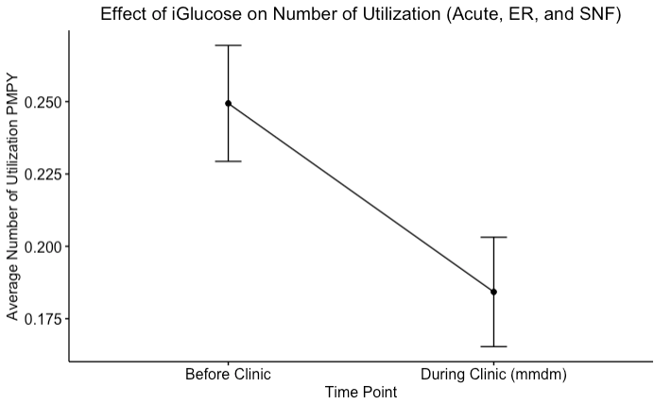

Coefficients:
 | Estimate | Pr(>|z|)
(Intercept) | -8.17E+00 | < 2e-16 | *** | Incidence Rate Ratio: Exponentiating the coefficient
timepoint (during clinic) | -3.07E-01 | 0.00261 | ** | 0.73531838257 | 26.5%
group (glucometer) | -7.18E-01 | 2.82E-12 | ***
age | -1.91E-02 | 4.35E-05 | ***
gender (Male) | -6.98E-04 | 0.99457
`condition count` | 1.13E-01 | < 2e-16 | ***
last.a1c | 8.09E-02 | 7.85E-03 | **

Signif. codes: 0 '***' 0.001 '**' 0.01 '*' 0.05 '.' 0.1 ' ' 1

Enrolling in a pharmacist-run clinic significantly reduced utilization by 26.5% (Incidence Rate Ratio (IRR): 0.735, p<.01).

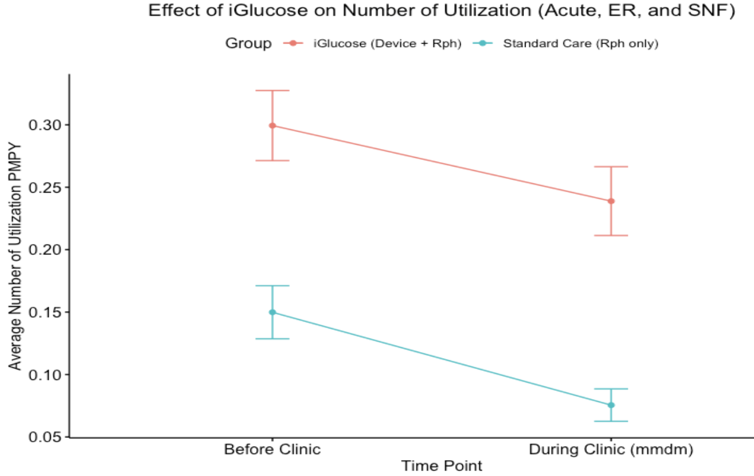
DURING CLINIC Negative binomial regression model: exac ~ group + age + gender + `last a1c` + `condition count` + offset(ln_offset)

Coefficients:
 | Estimate | Pr(>|z|)
(Intercept) | -8.67E+00 | < 2e-16 | *** | Incidence Rate Ratio: Exponentiating the coefficient
group (glucometer) | -7.16E-01 | 1.43E-05 | *** | 0.48857611789 | 51.1%
age | -2.95E-02 | 1.54E-05 | ***
gender (Male) | -1.05E-01 | 0.480057
`condition count` | 1.41E-01 | < 2e-16 | ***
last.a1c | 1.51E-01 | 3.56E-04 | **

Signif. codes: 0 '***' 0.001 '**' 0.01 '*' 0.05 '.' 0.1 ' ' 1

Adding iGlucose further reduced utilization by 24.9% (IRR:0.489, p<.001)
51.1% - 26.5% = 24.9%

